Timing
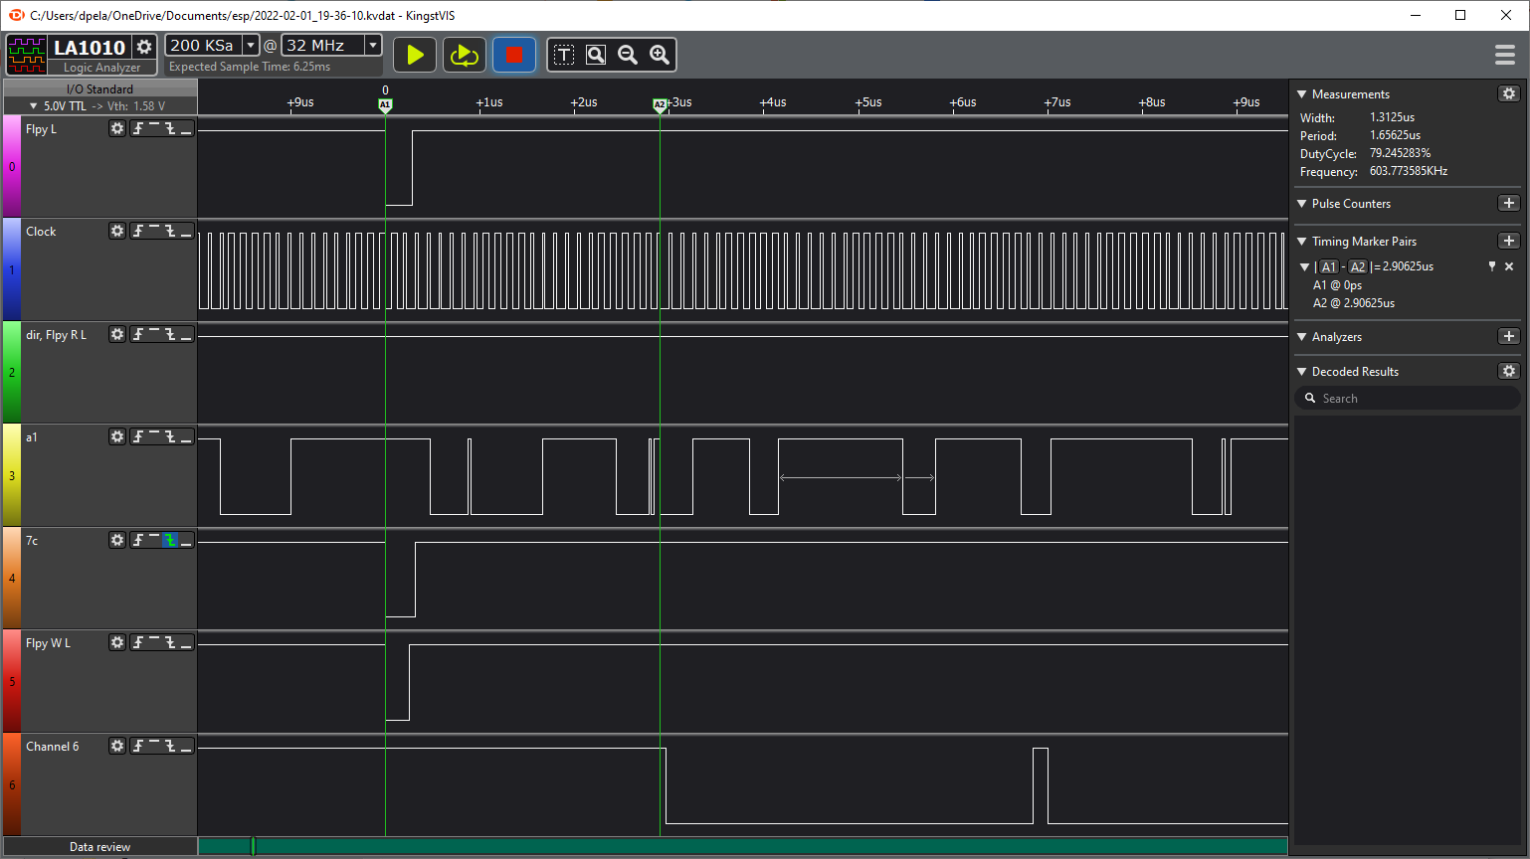
First Design - didn't work. Channel 6 is CMD signal
Signal | MHz | ns
Clock | 8.0 | 125.0
7c pulse |  | 312.7
7C down to CMD down |  | 2906.2
CMD pulse 1 |  | 156.2
CMD down pulse |  | 3875.0
CMD pulse 2 |  | 531.3
CMD pulse 3 |  | 812.5

CMD pulse is written by Interrupt routine

LM317T
VO = VREF (1 + R2/R1) + IADJ R2 |  |  | Usually, the error term IADJ × R2 can be neglected. T | VOUT = 1.25 * ( 1 + R2/R1 )

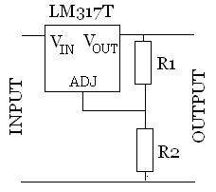
vout | 3.1
vref | 5
R2 | 600
R1 | 400
iadj
V target | 3.3

Current | 3300.00 | uA

